Results
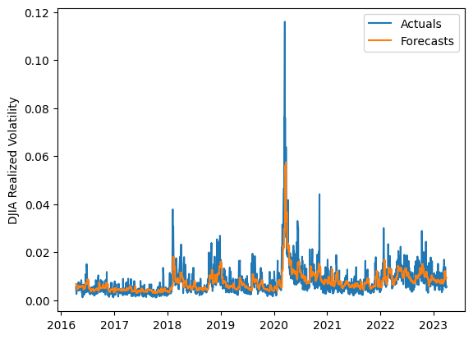
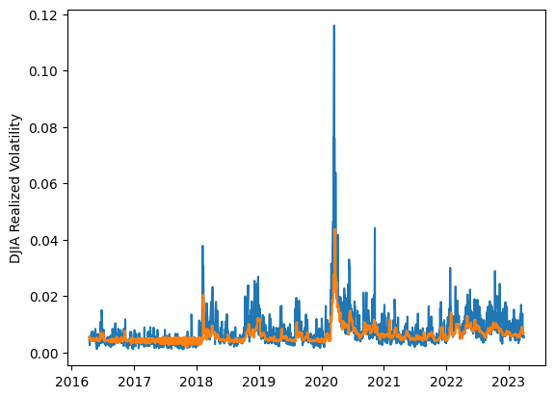
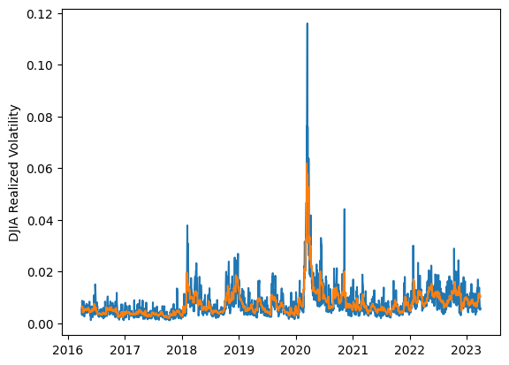
 | LSTM |  |  | TCN |  |  | NBEATSx |  |  |  |  | LSTM |  |  | TCN |  |  | NBEATSx
 | Accuracy | RMSE | Qlike | Accuracy | RMSE | Qlike | Accuracy | RMSE | Qlike |  |  | Accuracy | RMSE | Qlike | Accuracy | RMSE | Qlike | Accuracy | RMSE | Qlike
Trial 1 | 59.64% | 0.274% | 0.112 | 64.51% | 0.281% | 0.105 | 65.55% | 0.244% | 0.081 |  | Mean | 58.10% | 0.281% | 0.120 | 61.05% | 0.273% | 0.110 | 65.58% | 0.246% | 0.084
Trial 2 | 50.19% | 0.297% | 0.148 | 62.24% | 0.268% | 0.104 | 65.20% | 0.249% | 0.085 |  | Standard Deviation | 5.14% | 0.012% | 0.017 | 2.08% | 0.004% | 0.006 | 0.65% | 0.002% | 0.002
Trial 3 | 55.39% | 0.282% | 0.127 | 62.50% | 0.269% | 0.105 | 66.08% | 0.244% | 0.083 |  | 95% CI upper bound | 68.37% | 0.305% | 0.153 | 65.21% | 0.280% | 0.123 | 66.88% | 0.251% | 0.087
Trial 4 | 63.63% | 0.271% | 0.101 | 57.65% | 0.275% | 0.121 | 64.60% | 0.249% | 0.085 |  | 95% CI lower bound | 47.83% | 0.256% | 0.086 | 56.88% | 0.265% | 0.098 | 64.28% | 0.242% | 0.080
Trial 5 | 53.15% | 0.291% | 0.135 | 56.60% | 0.278% | 0.123 | 66.79% | 0.246% | 0.086 |  | 99.7% CI upper bound | 73.51% | 0.317% | 0.170 | 67.30% | 0.284% | 0.129 | 67.54% | 0.254% | 0.089
Trial 6 | 65.49% | 0.286% | 0.113 | 60.33% | 0.272% | 0.111 | 66.35% | 0.245% | 0.084 |  | 99.7% CI lower bound | 42.69% | 0.244% | 0.070 | 54.80% | 0.262% | 0.091 | 63.62% | 0.239% | 0.078
Trial 7 | 56.30% | 0.279% | 0.125 | 61.62% | 0.270% | 0.107 | 64.71% | 0.248% | 0.083
Trial 8 | 63.02% | 0.272% | 0.103 | 59.96% | 0.277% | 0.116 | 64.97% | 0.251% | 0.085
Trial 9 | 60.12% | 0.273% | 0.110 | 61.21% | 0.272% | 0.109 | 65.71% | 0.245% | 0.083
Trial 10 | 46.70% | 0.314% | 0.160 | 61.34% | 0.271% | 0.109 | 65.65% | 0.242% | 0.079
Trial 11 | 57.25% | 0.280% | 0.119 | 63.28% | 0.271% | 0.103 | 66.07% | 0.246% | 0.085
Trial 12 | 62.00% | 0.276% | 0.106 | 61.06% | 0.270% | 0.108 | 65.64% | 0.248% | 0.085
Trial 13 | 59.80% | 0.275% | 0.111 | 63.26% | 0.272% | 0.104 | 65.54% | 0.248% | 0.084
Trial 14 | 60.77% | 0.271% | 0.108 | 60.18% | 0.272% | 0.113 | 64.69% | 0.248% | 0.083
Trial 15 | 58.10% | 0.270% | 0.120 | 59.98% | 0.276% | 0.115 | 66.16% | 0.244% | 0.083

 | LSTM (best trial) |  |  |  |  |  |  |  |  | TCN (best trial) |  |  |  |  |  |  |  |  | NBEATSx (best trial)

